general informations
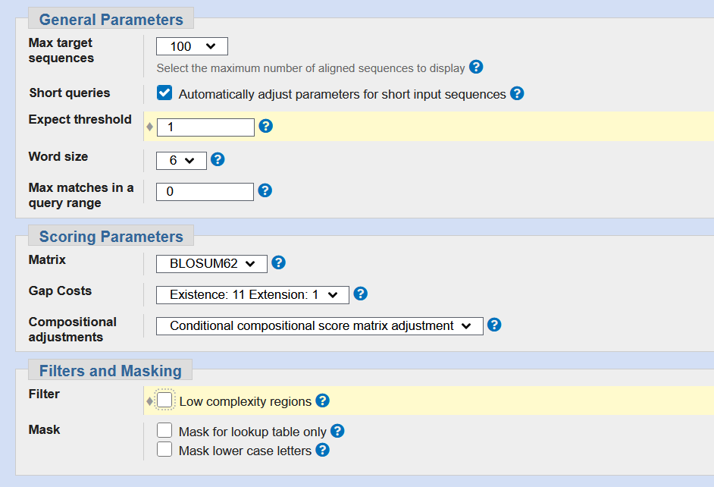
Title:All non-redundant GenBank CDS translations+PDB+SwissProt+PIR+PRF excluding environmental samples from WGS projects
Molecule Type:Protein
Update date:2022/10/10
Number of sequences:510315226

Abbreviation | Viral compartment
# | virion-associated in MdSGHV viral particles
T | tegument protein in GpSGHV-Eth
E | envelope protein in GpSGHV-Eth or other
N | nucleocapsid protein in GpSGHV-Eth
V | virion protein in GpSGHV-Eth

Virus | host
LbFV | Leptopilina boulardi
EfFV | Encarsia formosa
CcFV1 | Cotesia congregata (Manduca sexta)
CcFV2 | Cotesia congregata (Ceratomia catalpae)
PcFV | Psyttalia concolor
PoFV | Platygaster orseolia
LhFV | Leptopilina heterotoma
DFV | Drosophila melanogaster
AmFV | Apis melifera
GpSGHV | Glossina pallidipes
MdSGHV | Musca domestica
DmSGHV | Drosophila melanogaster

# | missassigned
$ | a longer ORF can be predicted when using a non-ATG alternative start codon
$$ | ORF that can only be predicted by using a non-ATG alternative start codon
For HHPRED searches only the first hits above 80% were conserved. Several hits can be retrived when concerning different region
first best match with viral homologs if different (among the top 100 results)

